Общая выборка
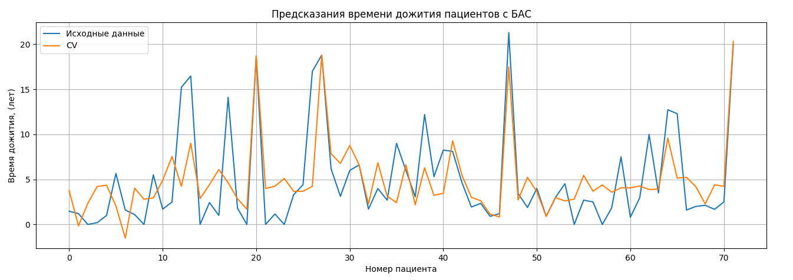
short_101.A@OD1_79.A@NH2_101.A@OD2_79.A@NH1_81.A@O_74.A@O_83.A@O | short_124.B@OD1_46.B@NE2_71.B@NE2_124.B@OD2_126.B@N | short_124.B@OD1_46.B@NE2_71.B@NE2_124.B@OD2_126.B@N_an | short_54.B@OG1_52.B@OD1_52.B@OD2_54.B@N | short_126.A@N_124.A@OD2_124.A@OD1_71.A@NE2_46.A@NE2 | short_46.B@NH2_124.B@OD2_124.B@OD1_71.B@NE2_126.B@N | short_125.B@OD2_71.B@NE2_124.B@OD1_126.B@N_124.B@OD2_46.B@NE2 | short_124.B@OD1_46.B@NE2_71.B@NE2_126.B@N_124.B@OD2 | const | sum_79.A@NE_80.A@O_83.A@N | OLS Regression Results | det: 5.217848939923695e+16
0.83731586468 | -0.28867431112 | -0.21447019659 | -0.17295342727 | -0.13708727585 | -0.11867816582 | -0.12695917903 | -0.11867816582 | 1 | 1.2769664638 | ==============================================================================
-0.13336080143 | 4.1153248297 | 5.8150166705 | -0.17295342727 | -0.13708727585 | -0.11867816582 | -0.12695917903 | -0.11867816582 | 1 | 0.74870627896 | Dep. Variable: y R-squared: 0.515
-1.3687674674 | -0.28867431112 | -0.21447019659 | -0.17295342727 | -0.13708727585 | -0.11867816582 | -0.12695917903 | -0.11867816582 | 1 | 0.072356418857 | Model: OLS Adj. R-squared: 0.444
0.68840523976 | -0.28867431112 | -0.21447019659 | -0.17295342727 | -0.13708727585 | -0.11867816582 | -0.12695917903 | -0.11867816582 | 1 | 0.70450040575 | Method: Least Squares F-statistic: 7.312
0.89246794798 | -0.28867431112 | -0.21447019659 | -0.17295342727 | -0.13708727585 | -0.11867816582 | -0.12695917903 | -0.11867816582 | 1 | 0.80396362047 | Date: Mon, 04 Apr 2022 Prob (F-statistic): 3.61e-07
-0.56354705118 | -0.28867431112 | -0.21447019659 | -0.17295342727 | -0.13708727585 | -0.11867816582 | -0.12695917903 | -0.11867816582 | 1 | 1.2217091223 | Time: 21:52:55 Log-Likelihood: -198.06
0.037610656807 | 0.62700867855 | -0.21447019659 | 2.3309299702 | -0.13708727585 | -0.11867816582 | -0.12695917903 | -0.11867816582 | 1 | -1.7599770257 | No. Observations: 72 AIC: 416.1
0.37955357327 | -0.28867431112 | -0.21447019659 | -0.17295342727 | -0.13708727585 | -0.11867816582 | -0.12695917903 | -0.11867816582 | 1 | 0.52546661925 | Df Residuals: 62 BIC: 438.9
-0.78967059271 | -0.28867431112 | -0.21447019659 | -0.17295342727 | -0.13708727585 | -0.11867816582 | -0.12695917903 | -0.11867816582 | 1 | 0.31990930883 | Df Model: 9
-0.3484539263 | -0.28867431112 | -0.21447019659 | -0.17295342727 | -0.13708727585 | -0.11867816582 | -0.12695917903 | -0.11867816582 | 1 | 0.67797688182 | Covariance Type: nonrobust
1.1406523228 | -0.28867431112 | -0.21447019659 | -0.17295342727 | -0.13708727585 | -0.11867816582 | -0.12695917903 | -0.11867816582 | 1 | 0.59840631005 | ==============================================================================
1.1185914895 | -0.28867431112 | -0.21447019659 | -0.17295342727 | -0.13708727585 | -0.11867816582 | -0.12695917903 | -0.11867816582 | 1 | -1.7599770257 | coef std err t P>|t| [0.025 0.975]
0.55604023984 | -0.28867431112 | -0.21447019659 | -0.17295342727 | -0.13708727585 | -0.11867816582 | -0.12695917903 | -0.11867816582 | 1 | 0.54093867488 | ------------------------------------------------------------------------------
2.2933308638 | -0.28867431112 | -0.21447019659 | -0.17295342727 | -0.13708727585 | -0.11867816582 | -0.12695917903 | -0.11867816582 | 1 | -1.7599770257 | x1 1.1740 0.498 2.358 0.022 0.179 2.169
-0.078208718126 | -0.28867431112 | -0.21447019659 | -0.17295342727 | -0.13708727585 | -0.11867816582 | -0.12695917903 | -0.11867816582 | 1 | 1.0360444548 | x2 -14.4916 3.565 -4.065 0.000 -21.618 -7.365
0.098277948438 | -0.28867431112 | -0.21447019659 | -0.17295342727 | -0.13708727585 | -0.11867816582 | -0.12695917903 | -0.11867816582 | 1 | -0.1199391296 | x3 10.2004 2.648 3.852 0.000 4.907 15.494
-2.2236247585 | -0.28867431112 | -0.21447019659 | -0.17295342727 | -0.13708727585 | -0.11867816582 | -0.12695917903 | -0.11867816582 | 1 | -1.7599770257 | x4 1.7669 0.523 3.377 0.001 0.721 2.813
0.53949461485 | -0.28867431112 | -0.21447019659 | -0.17295342727 | -0.13708727585 | -0.11867816582 | -0.12695917903 | -0.11867816582 | 1 | 0.17402992724 | x5 7.9113 1.912 4.138 0.000 4.090 11.733
0.11482357343 | -0.28867431112 | -0.21447019659 | -0.17295342727 | -0.13708727585 | -0.11867816582 | -0.12695917903 | -0.11867816582 | 1 | 1.2769664638 | x6 1.6008 0.485 3.302 0.002 0.632 2.570
-0.86688350933 | -0.28867431112 | -0.21447019659 | -0.17295342727 | -0.12820313196 | -0.11867816582 | -0.12695917903 | -0.11867816582 | 1 | 1.2747561701 | x7 1.7106 0.482 3.548 0.001 0.747 2.674
0.94210482295 | -0.28867431112 | -0.21447019659 | -0.17295342727 | -0.13708727585 | 8.4261497732 | -0.12695917903 | -0.11867816582 | 1 | 0.32875048347 | x8 6.0801 1.772 3.431 0.001 2.538 9.622
0.59464669815 | -0.28867431112 | -0.21447019659 | -0.17295342727 | -0.13708727585 | -0.11867816582 | -0.12695917903 | -0.11867816582 | 1 | 0.80175332681 | const 4.9348 0.481 10.258 0.000 3.973 5.896
1.1571979478 | -0.28867431112 | -0.21447019659 | -0.17295342727 | -0.13708727585 | -0.11867816582 | -0.12695917903 | -0.11867816582 | 1 | 1.1951855984 | x9 -1.5600 0.533 -2.926 0.005 -2.626 -0.494
1.0744698229 | -0.28867431112 | -0.21447019659 | -0.17295342727 | -0.13708727585 | -0.11867816582 | -0.12695917903 | -0.11867816582 | 1 | 0.34864312641 | ==============================================================================
0.065186698458 | -0.28867431112 | -0.21447019659 | -0.17295342727 | -0.13708727585 | -0.11867816582 | -0.12695917903 | -0.11867816582 | 1 | 0.48126074604 | Omnibus: 19.715 Durbin-Watson: 1.809
0.29682544832 | -0.28867431112 | -0.21447019659 | -0.17295342727 | -0.13708727585 | -0.11867816582 | -0.12695917903 | -0.11867816582 | 1 | 0.74207539798 | Prob(Omnibus): 0.000 Jarque-Bera (JB): 24.747
0.25270378168 | -0.28867431112 | -0.21447019659 | -0.17295342727 | -0.13708727585 | -0.11867816582 | -0.12695917903 | -0.11867816582 | 1 | 0.21381521313 | Skew: 1.261 Prob(JB): 4.23e-06
-0.32639309298 | -0.28867431112 | -0.21447019659 | -0.17295342727 | -0.13708727585 | -0.11867816582 | 8.4046976518 | -0.11867816582 | 1 | -0.17519647111 | Kurtosis: 4.373 Cond. No. 15.2
1.361260656 | -0.28867431112 | -0.21447019659 | -0.17295342727 | -0.13708727585 | -0.11867816582 | -0.12695917903 | -0.11867816582 | 1 | -1.7599770257 | ==============================================================================
0.5119185732 | -0.28867431112 | -0.21447019659 | -0.17295342727 | -0.13708727585 | -0.11867816582 | -0.12695917903 | -0.11867816582 | 1 | -1.7599770257
-2.4221722584 | -0.28867431112 | -0.21447019659 | 1.7466905108 | -0.13708727585 | -0.11867816582 | -0.12695917903 | -0.11867816582 | 1 | -1.7599770257 | Notes:
0.36300794828 | -0.28867431112 | -0.21447019659 | -0.17295342727 | -0.13708727585 | -0.11867816582 | 0.48244488031 | -0.11867816582 | 1 | 0.39726958695 | [1] Standard Errors assume that the covariance matrix of the errors is correctly specified.
-1.1977960091 | -0.28867431112 | -0.21447019659 | -0.17295342727 | -0.13708727585 | -0.11867816582 | -0.12695917903 | -0.11867816582 | 1 | 0.33759165811
0.82077023969 | 3.8246318171 | 5.4170307387 | -0.17295342727 | -0.13708727585 | -0.11867816582 | -0.12695917903 | -0.11867816582 | 1 | -1.7599770257
-0.16645205141 | -0.28867431112 | -0.21447019659 | -0.17295342727 | -0.13708727585 | -0.11867816582 | -0.12695917903 | -0.11867816582 | 1 | 0.70892099307
-0.8062162177 | -0.28867431112 | -0.21447019659 | -0.17295342727 | -0.13708727585 | -0.11867816582 | -0.12695917903 | -0.11867816582 | 1 | 0.63156071495
0.9145287813 | 4.2170673841 | -0.21447019659 | -0.17295342727 | 8.3117335627 | -0.11867816582 | -0.12695917903 | -0.11867816582 | 1 | 0.23812844339
-0.4587580929 | -0.28867431112 | -0.21447019659 | -0.17295342727 | -0.13708727585 | -0.11867816582 | -0.12695917903 | -0.11867816582 | 1 | 1.2283400033
-1.1867655925 | 1.2519986556 | 1.8948552421 | -0.15626087129 | -0.13708727585 | -0.11867816582 | -0.12695917903 | -0.11867816582 | 1 | -1.7599770257
-0.53597100953 | -0.28867431112 | -0.21447019659 | -0.17295342727 | -0.13708727585 | -0.11867816582 | -0.12695917903 | -0.11867816582 | 1 | 0.21602550679
0.065186698458 | -0.28867431112 | -0.21447019659 | -0.17295342727 | -0.13708727585 | -0.11867816582 | -0.12695917903 | -0.11867816582 | 1 | 0.68902835013
0.31888628164 | -0.28867431112 | -0.21447019659 | -0.17295342727 | -0.13708727585 | -0.11867816582 | -0.12695917903 | -0.11867816582 | 1 | -1.7599770257
1.1516827395 | -0.28867431112 | -0.21447019659 | -0.17295342727 | -0.13708727585 | -0.11867816582 | -0.12695917903 | -0.11867816582 | 1 | 0.12761376037
-2.4221722584 | -0.28867431112 | -0.21447019659 | -0.17295342727 | -0.13708727585 | -0.11867816582 | -0.12695917903 | -0.11867816582 | 1 | -1.6781961602
-2.4221722584 | -0.28867431112 | -0.21447019659 | -0.17295342727 | -0.13708727585 | -0.11867816582 | -0.12695917903 | -0.11867816582 | 1 | -1.3400212302
-2.4221722584 | -0.28867431112 | -0.21447019659 | -0.17295342727 | -0.13708727585 | -0.11867816582 | -0.12695917903 | -0.11867816582 | 1 | -0.029317089524
-2.4221722584 | -0.28867431112 | -0.21447019659 | -0.17295342727 | -0.13708727585 | -0.11867816582 | -0.12695917903 | -0.11867816582 | 1 | 0.24254903071
0.26924940667 | -0.28867431112 | -0.21447019659 | -0.17295342727 | 1.2666074586 | -0.11867816582 | -0.12695917903 | -0.11867816582 | 1 | -0.96206101424
-1.0709462175 | -0.28867431112 | -0.21447019659 | -0.17295342727 | -0.13708727585 | -0.11867816582 | -0.12695917903 | -0.11867816582 | 1 | 0.08561818082
1.2013196145 | -0.28867431112 | -0.21447019659 | -0.17295342727 | -0.13708727585 | -0.11867816582 | -0.12695917903 | -0.11867816582 | 1 | 0.377376944
-0.2381497597 | -0.28867431112 | -0.21447019659 | -0.17295342727 | -0.13708727585 | -0.11867816582 | -0.12695917903 | -0.11867816582 | 1 | 0.18950198286
0.83180065635 | 3.7955625158 | -0.21447019659 | -0.17295342727 | -0.13708727585 | -0.11867816582 | -0.12695917903 | 8.4261497732 | 1 | -1.7599770257
-0.17748246807 | -0.28867431112 | -0.21447019659 | -0.17295342727 | -0.13708727585 | -0.11867816582 | -0.12695917903 | -0.11867816582 | 1 | 0.83932831904
-0.861368301 | -0.28867431112 | -0.21447019659 | -0.17295342727 | -0.12820313196 | -0.11867816582 | -0.12695917903 | -0.11867816582 | 1 | 0.4724195714
-0.16093684308 | -0.28867431112 | -0.21447019659 | -0.17295342727 | -0.13708727585 | -0.11867816582 | -0.12695917903 | -0.11867816582 | 1 | 1.0006797563
0.18100607339 | 0.93223634177 | 1.4570707171 | -0.17295342727 | -0.13708727585 | -0.11867816582 | -0.12695917903 | -0.11867816582 | 1 | -1.7599770257
-0.16093684308 | -0.28867431112 | -0.21447019659 | -0.17295342727 | -0.13708727585 | -0.11867816582 | -0.12695917903 | -0.11867816582 | 1 | 0.23149756241
0.50640336487 | -0.28867431112 | -0.21447019659 | -0.17295342727 | -0.13708727585 | -0.11867816582 | -0.12695917903 | -0.11867816582 | 1 | 0.34864312641
0.67185961477 | -0.28867431112 | -0.21447019659 | -0.17295342727 | -0.13708727585 | -0.11867816582 | -0.12695917903 | -0.11867816582 | 1 | 1.2482326462
0.28027982333 | -0.28867431112 | -0.21447019659 | -0.17295342727 | -0.13708727585 | -0.11867816582 | -0.12695917903 | -0.11867816582 | 1 | 0.38400782498
0.33543190663 | -0.28867431112 | -0.21447019659 | -0.17295342727 | -0.13708727585 | -0.11867816582 | -0.12695917903 | -0.11867816582 | 1 | 0.44589604748
-0.012026218164 | -0.28867431112 | -0.21447019659 | -0.17295342727 | -0.13708727585 | -0.11867816582 | -0.12695917903 | -0.11867816582 | 1 | -0.11551854228
0.29682544832 | -0.28867431112 | -0.21447019659 | -0.17295342727 | -0.13708727585 | -0.11867816582 | -0.12695917903 | -0.11867816582 | 1 | 0.5674621988
0.31888628164 | -0.28867431112 | -0.21447019659 | -0.17295342727 | -0.13708727585 | -0.11867816582 | -0.12695917903 | -0.11867816582 | 1 | 0.54756955586
0.54500982318 | -0.28867431112 | -0.21447019659 | -0.17295342727 | -0.13708727585 | -0.11867816582 | -0.12695917903 | -0.11867816582 | 1 | -1.7599770257
0.89246794798 | -0.28867431112 | -0.21447019659 | -0.17295342727 | -0.13708727585 | -0.11867816582 | -0.12695917903 | -0.11867816582 | 1 | 0.1033005301
1.0689546145 | -0.28867431112 | -0.21447019659 | -0.17295342727 | -0.13708727585 | -0.11867816582 | -0.12695917903 | -0.11867816582 | 1 | 0.23149756241
0.20858211504 | -0.28867431112 | -0.21447019659 | -0.17295342727 | -0.13708727585 | -0.11867816582 | -0.12695917903 | -0.11867816582 | 1 | 0.19171227652
-1.1371287175 | -0.28867431112 | -0.21447019659 | -0.17295342727 | -0.13708727585 | -0.11867816582 | -0.12695917903 | -0.11867816582 | 1 | 0.38621811864
0.57810107316 | -0.28867431112 | -0.21447019659 | -0.17295342727 | -0.13708727585 | -0.11867816582 | -0.12695917903 | -0.11867816582 | 1 | 0.42158281721
0.79870940636 | -0.28867431112 | -0.21447019659 | -0.17295342727 | -0.13708727585 | -0.11867816582 | -0.12695917903 | -0.11867816582 | 1 | 0.80617391413
-0.59112309283 | -0.28867431112 | -0.21447019659 | 7.8394734446 | -0.13708727585 | -0.11867816582 | -0.12695917903 | -0.11867816582 | 1 | -1.7599770257

Робастный метод
Robust linear Model Regression Results
==============================================================================
Dep. Variable: y No. Observations: 72
Model: RLM Df Residuals: 61
Method: IRLS Df Model: 10
Norm: HuberT
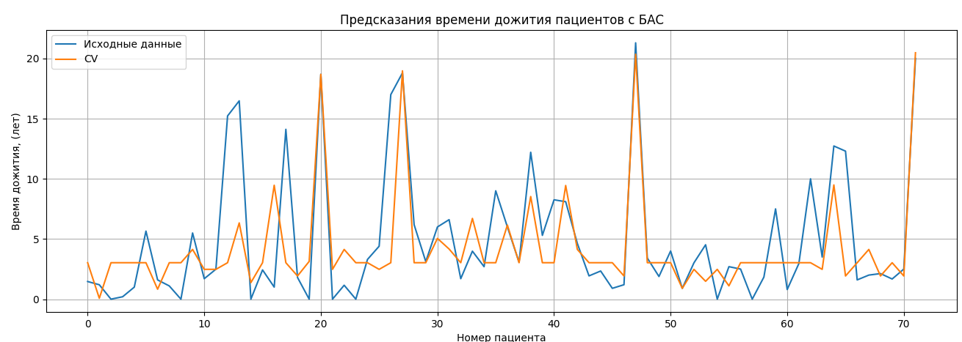
Scale Est.: mad
Cov Type: H1
Date: Thu, 21 Apr 2022
Time: 18:23:26
No. Iterations: 24
==============================================================================
coef std err z P>|z| [0.025 0.975]
------------------------------------------------------------------------------
x1 -22.4489 3.472 -6.466 0.000 -29.253 -15.645
x2 15.9068 2.532 6.282 0.000 10.944 20.870
x3 2.0246 0.458 4.424 0.000 1.128 2.922
x4 4.7497 1.265 3.756 0.000 2.271 7.228
x5 12.3423 1.842 6.699 0.000 8.731 15.953
x6 1.8320 0.364 5.039 0.000 1.119 2.545
x7 1.8690 0.364 5.140 0.000 1.156 2.582
x8 10.4810 1.702 6.156 0.000 7.144 13.818
const 4.2399 0.363 11.682 0.000 3.529 4.951
x9 -0.6476 0.364 -1.780 0.075 -1.360 0.065
x10 3.5195 1.247 2.823 0.005 1.076 5.963
==============================================================================
==============================================================================

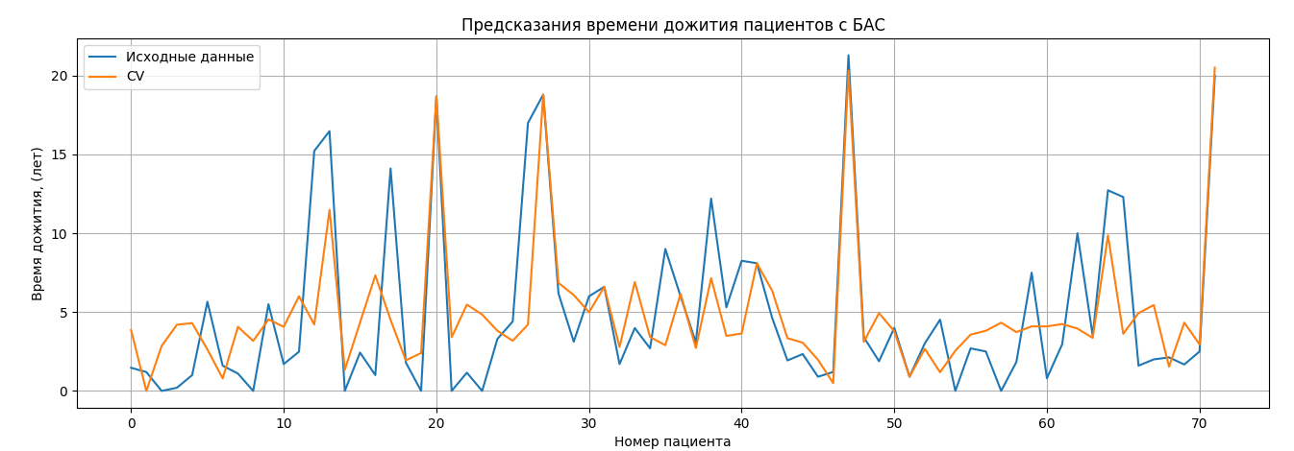
OLS Regression Results
==============================================================================
Dep. Variable: y R-squared: 0.525
Model: OLS Adj. R-squared: 0.447
Method: Least Squares F-statistic: 6.745
Date: Thu, 21 Apr 2022 Prob (F-statistic): 5.77e-07
Time: 18:22:26 Log-Likelihood: -197.29
No. Observations: 72 AIC: 416.6 |  | Коэф Детерминации | Обычный МНК | Робастный МНК
Df Residuals: 61 BIC: 441.6 | Ошибка кросс валидации | 0.525 | 6.7165068689 | 6.8687375949
Df Model: 10 |  | 0.515 | 6.6939685204 | 6.6896957875
Covariance Type: nonrobust
==============================================================================
coef std err t P>|t| [0.025 0.975]
------------------------------------------------------------------------------
x1 -21.1889 4.590 -4.616 0.000 -30.368 -12.010
x2 15.0179 3.348 4.486 0.000 8.323 21.712
x3 1.4342 0.605 2.370 0.021 0.224 2.644
x4 4.6101 1.672 2.757 0.008 1.266 7.954
x5 11.5548 2.436 4.743 0.000 6.684 16.426
x6 1.7158 0.481 3.570 0.001 0.755 2.677
x7 1.7449 0.481 3.629 0.001 0.783 2.706
x8 9.7625 2.251 4.337 0.000 5.261 14.264
const 4.9348 0.480 10.284 0.000 3.975 5.894
x9 -1.0995 0.481 -2.286 0.026 -2.061 -0.138
x10 3.2511 1.648 1.972 0.053 -0.045 6.547
==============================================================================
Omnibus: 26.211 Durbin-Watson: 1.784
Prob(Omnibus): 0.000 Jarque-Bera (JB): 41.631
Skew: 1.420 Prob(JB): 9.12e-10
Kurtosis: 5.412 Cond. No. 21.2
==============================================================================

Notes:
[1] Standard Errors assume that the covariance matrix of the errors is correctly specified.
det: 2.656803235027786e+17

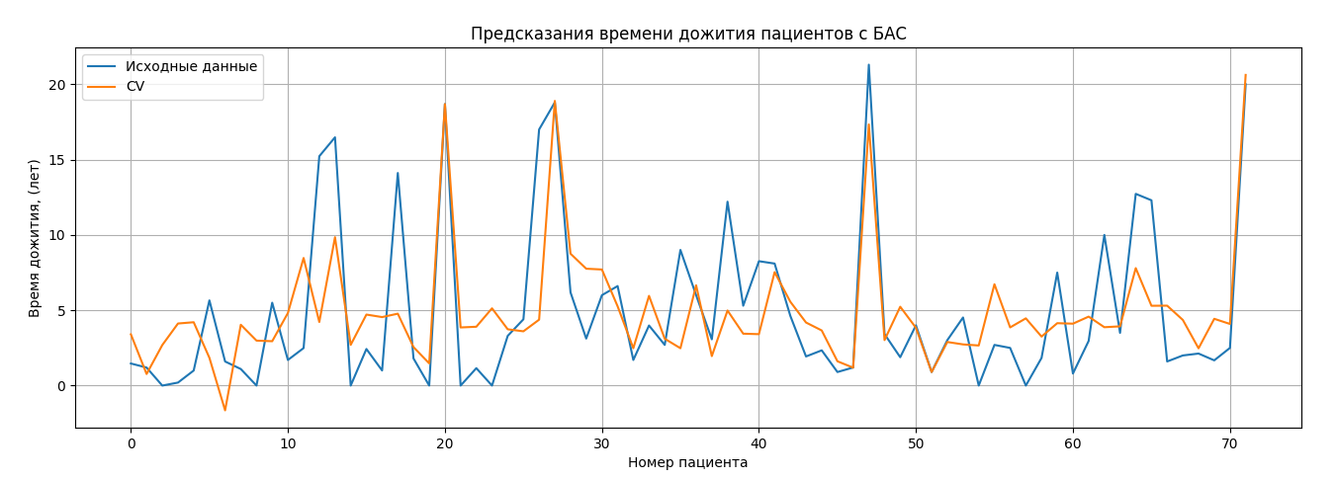
OLS Regression Results
==============================================================================
Dep. Variable: y R-squared: 0.515
Model: OLS Adj. R-squared: 0.444
Method: Least Squares F-statistic: 7.312
Date: Mon, 04 Apr 2022 Prob (F-statistic): 3.61e-07
Time: 21:52:55 Log-Likelihood: -198.06
No. Observations: 72 AIC: 416.1
Df Residuals: 62 BIC: 438.9
Df Model: 9
Covariance Type: nonrobust
==============================================================================
coef std err t P>|t| [0.025 0.975]
------------------------------------------------------------------------------
x1 1.1740 0.498 2.358 0.022 0.179 2.169
x2 -14.4916 3.565 -4.065 0.000 -21.618 -7.365
x3 10.2004 2.648 3.852 0.000 4.907 15.494
x4 1.7669 0.523 3.377 0.001 0.721 2.813
x5 7.9113 1.912 4.138 0.000 4.090 11.733
x6 1.6008 0.485 3.302 0.002 0.632 2.570
x7 1.7106 0.482 3.548 0.001 0.747 2.674
x8 6.0801 1.772 3.431 0.001 2.538 9.622
const 4.9348 0.481 10.258 0.000 3.973 5.896
x9 -1.5600 0.533 -2.926 0.005 -2.626 -0.494
==============================================================================
Omnibus: 19.715 Durbin-Watson: 1.809
Prob(Omnibus): 0.000 Jarque-Bera (JB): 24.747
Skew: 1.261 Prob(JB): 4.23e-06
Kurtosis: 4.373 Cond. No. 15.2
==============================================================================
rmse: 3.788002757687708

Robust linear Model Regression Results
==============================================================================
Dep. Variable: y No. Observations: 72
Model: RLM Df Residuals: 62
Method: IRLS Df Model: 9
Norm: HuberT
Scale Est.: mad
Cov Type: H1
Date: Thu, 21 Apr 2022
Time: 21:23:27
No. Iterations: 28
==============================================================================
coef std err z P>|z| [0.025 0.975]
------------------------------------------------------------------------------
x1 0.8583 0.419 2.048 0.041 0.037 1.680
x2 -13.5687 3.001 -4.521 0.000 -19.451 -7.686
x3 9.6164 2.230 4.313 0.000 5.247 13.986
x4 1.8921 0.440 4.295 0.000 1.029 2.755
x5 7.5359 1.609 4.682 0.000 4.381 10.690
x6 1.7146 0.408 4.201 0.000 0.915 2.515
x7 1.7973 0.406 4.428 0.000 1.002 2.593
x8 5.8051 1.492 3.891 0.000 2.881 8.729
const 4.2869 0.405 10.584 0.000 3.493 5.081
x9 -1.3295 0.449 -2.961 0.003 -2.209 -0.450
==============================================================================

rmse: 3.865618748066464

Лист2
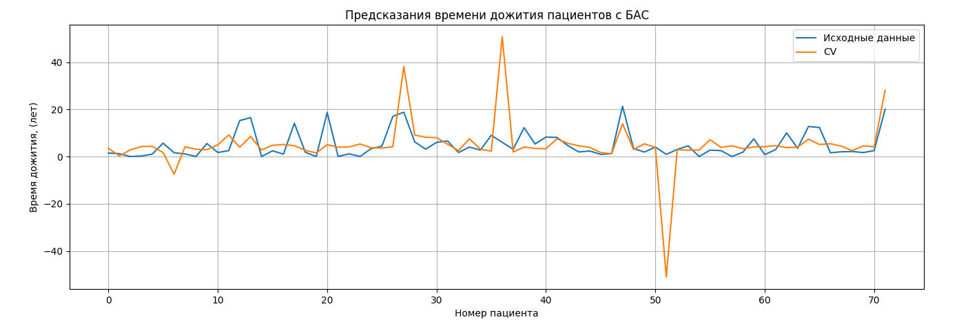

 |  |  |  |  |  |  |  | 11.786454277

11.481202803

 |  |  |  |  | n значений валидаций | Обычный МНК | Робастный МНК
 |  |  |  | Ошибка кросс валидации | 1 | 11.481202803 | 11.786454277
 |  |  |  |  | 6 | 11.917487885 | 13.068041919
 |  |  |  |  | 9 | 10.039131339 | 11.076645415
 |  |  |  |  | 12 | 11.238208009 | 12.380488625

 |  | Обычный МНК | Робастный МНК
 | RMSE | 3.7880027577 | 3.8656187481

